lte_l1_dl_throughput_all_carri
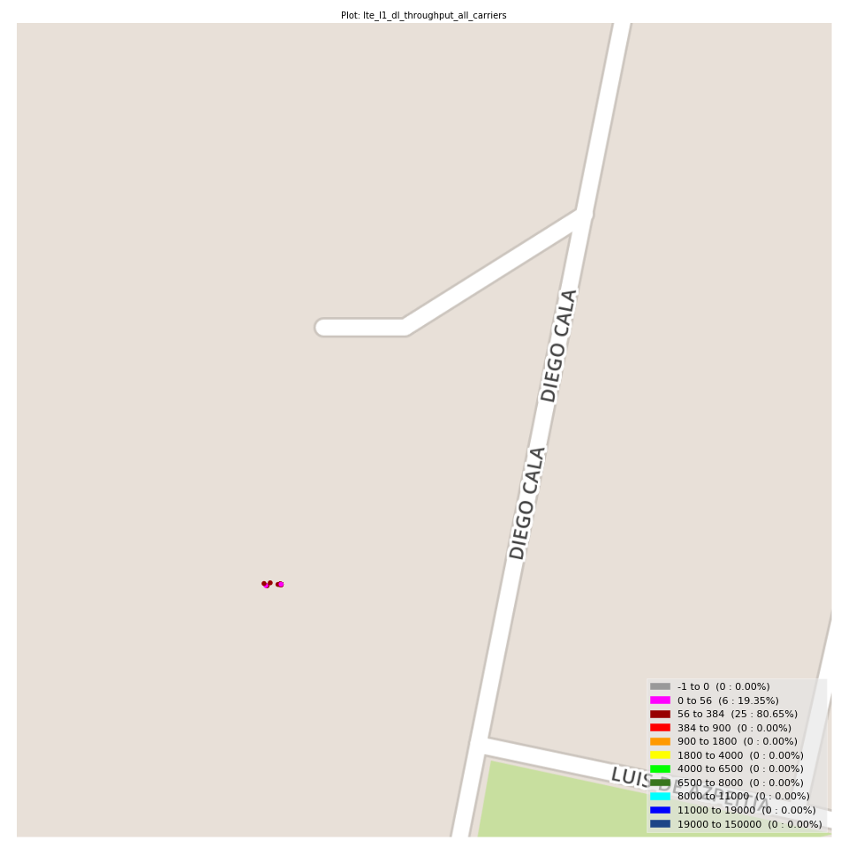
lte_l1_dl_throughput_all_carriers Report

Sampling Distribution Histogram
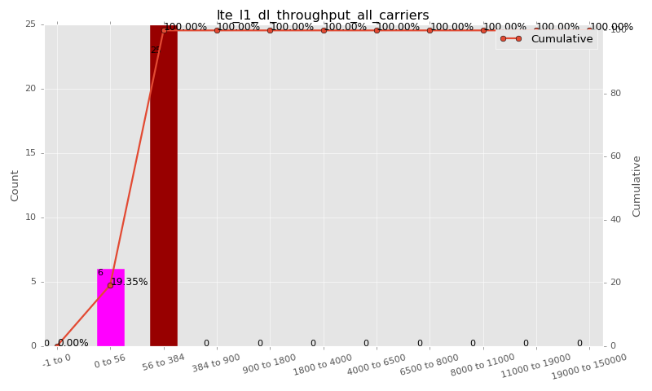

Sampling Distribution Table (first 10 ranges)
ColorXml | Lower | Upper | N Samples | Range | % | Cumulative %
 | -1 | 0 | 0 | -1 to 0 | 0.00 | 0.00
 | 0 | 56 | 6 | 0 to 56 | 19.35 | 19.35
 | 56 | 384 | 25 | 56 to 384 | 80.65 | 100.00
 | 384 | 900 | 0 | 384 to 900 | 0.00 | 100.00
 | 900 | 1800 | 0 | 900 to 1800 | 0.00 | 100.00
 | 1800 | 4000 | 0 | 1800 to 4000 | 0.00 | 100.00
 | 4000 | 6500 | 0 | 4000 to 6500 | 0.00 | 100.00
 | 6500 | 8000 | 0 | 6500 to 8000 | 0.00 | 100.00
 | 8000 | 11000 | 0 | 8000 to 11000 | 0.00 | 100.00
 | 11000 | 19000 | 0 | 11000 to 19000 | 0.00 | 100.00

Basic statistics
N | 31
Mean | 112.03
SD | 69.47
MAX | 261.40
Median | 82.62
Min | 17.13

Geographical Plot

lte_inst_rsrp_1
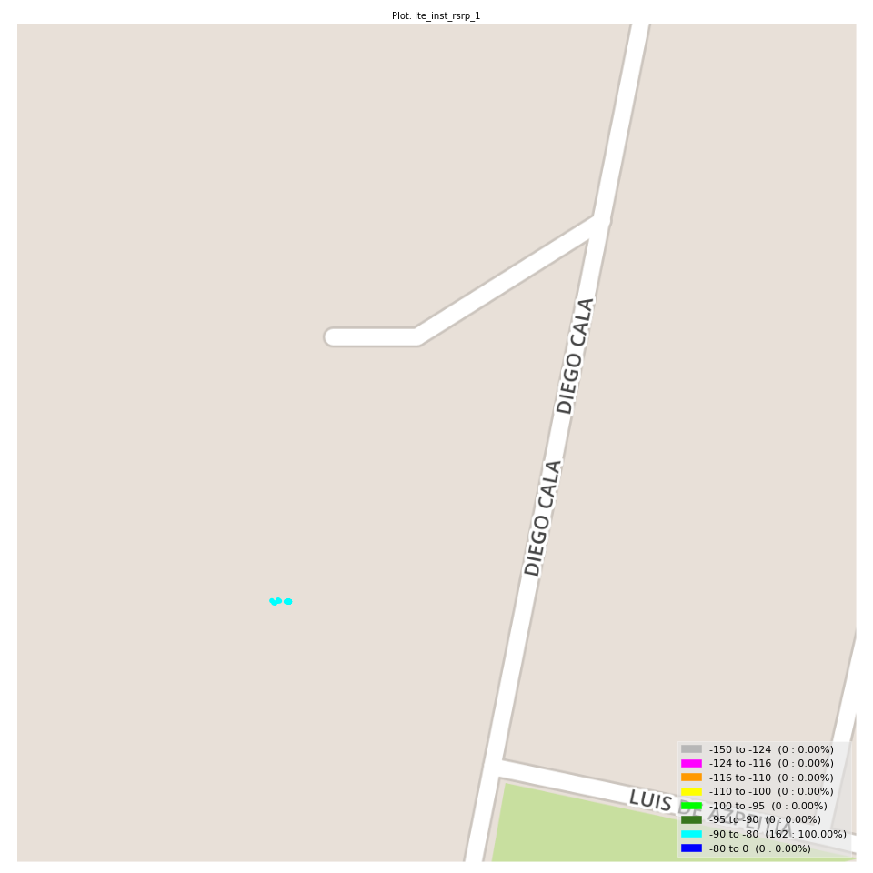
lte_inst_rsrp_1 Report

Sampling Distribution Histogram
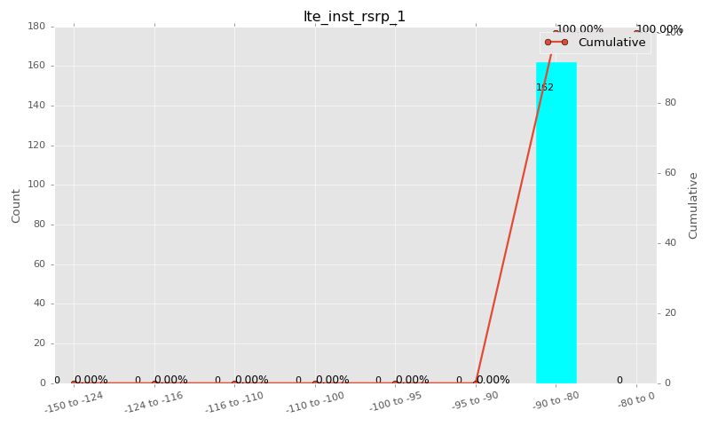

Sampling Distribution Table (first 10 ranges)
ColorXml | Lower | Upper | N Samples | Range | % | Cumulative %
 | -150 | -124 | 0 | -150 to -124 | 0.00 | 0.00
 | -124 | -116 | 0 | -124 to -116 | 0.00 | 0.00
 | -116 | -110 | 0 | -116 to -110 | 0.00 | 0.00
 | -110 | -100 | 0 | -110 to -100 | 0.00 | 0.00
 | -100 | -95 | 0 | -100 to -95 | 0.00 | 0.00
 | -95 | -90 | 0 | -95 to -90 | 0.00 | 0.00
 | -90 | -80 | 162 | -90 to -80 | 100.00 | 100.00
 | -80 | 0 | 0 | -80 to 0 | 0.00 | 100.00

Basic statistics
N | 162
Mean | -85.46
SD | 2.07
MAX | -81.06
Median | -85.25
Min | -89.78

Geographical Plot

lte_inst_rsrq_1
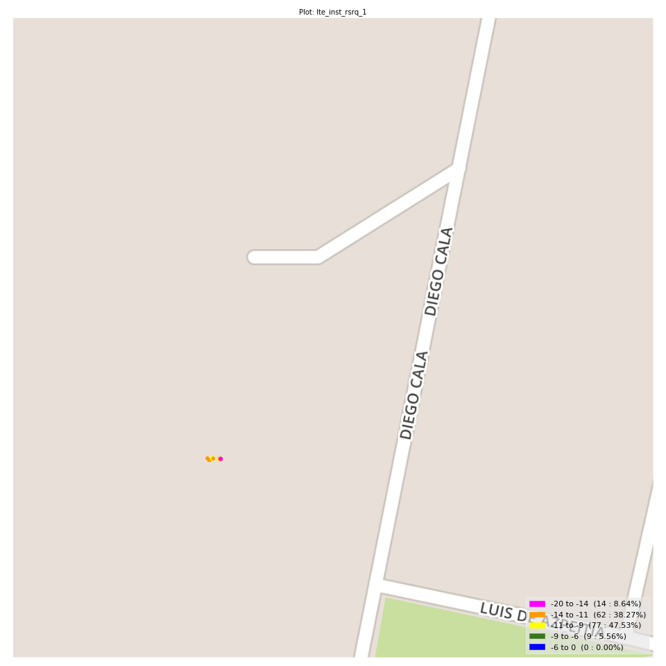
lte_inst_rsrq_1 Report

Sampling Distribution Histogram
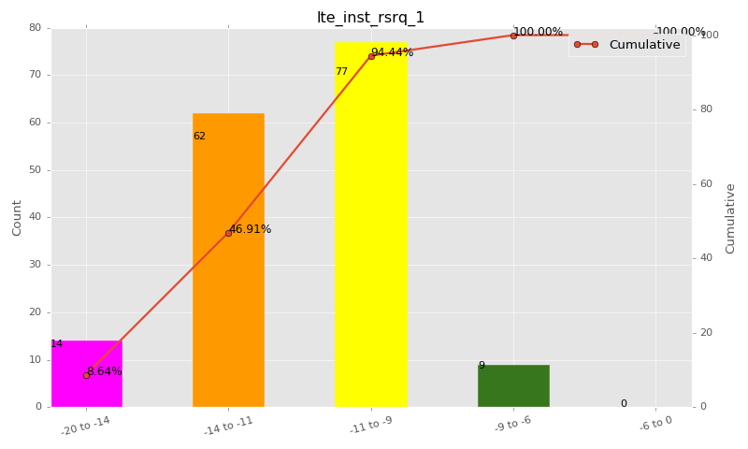

Sampling Distribution Table (first 10 ranges)
ColorXml | Lower | Upper | N Samples | Range | % | Cumulative %
 | -20 | -14 | 14 | -20 to -14 | 8.64 | 8.64
 | -14 | -11 | 62 | -14 to -11 | 38.27 | 46.91
 | -11 | -9 | 77 | -11 to -9 | 47.53 | 94.44
 | -9 | -6 | 9 | -9 to -6 | 5.56 | 100.00
 | -6 | 0 | 0 | -6 to 0 | 0.00 | 100.00

Basic statistics
N | 162
Mean | -11.27
SD | 1.61
MAX | -8.44
Median | -10.94
Min | -15.19

Geographical Plot

lte_inst_rssi_1
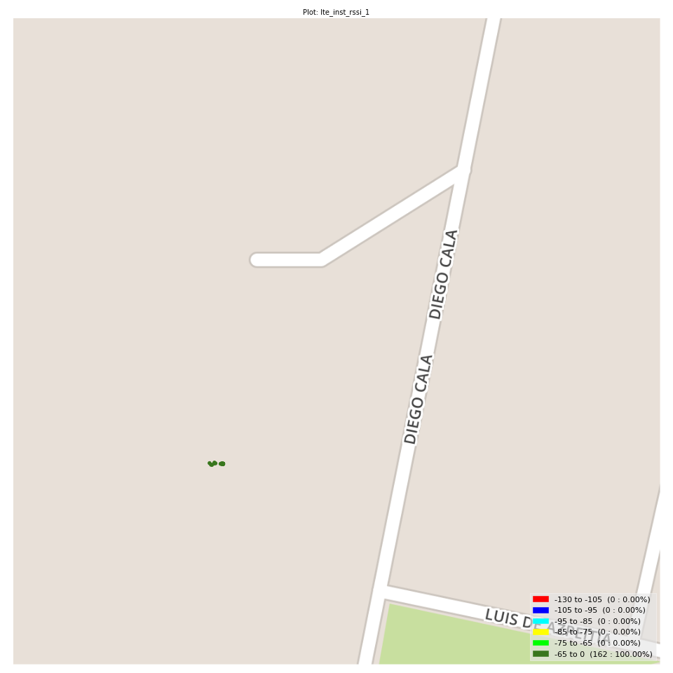
lte_inst_rssi_1 Report

Sampling Distribution Histogram
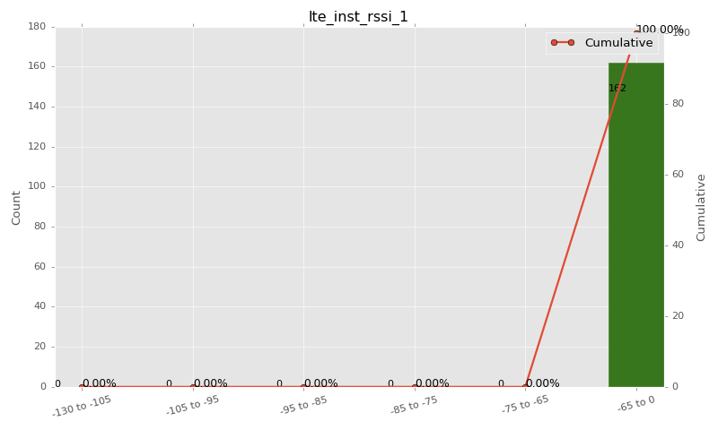

Sampling Distribution Table (first 10 ranges)
ColorXml | Lower | Upper | N Samples | Range | % | Cumulative %
 | -130 | -105 | 0 | -130 to -105 | 0.00 | 0.00
 | -105 | -95 | 0 | -105 to -95 | 0.00 | 0.00
 | -95 | -85 | 0 | -95 to -85 | 0.00 | 0.00
 | -85 | -75 | 0 | -85 to -75 | 0.00 | 0.00
 | -75 | -65 | 0 | -75 to -65 | 0.00 | 0.00
 | -65 | 0 | 162 | -65 to 0 | 100.00 | 100.00

Basic statistics
N | 162
Mean | -56.35
SD | 1.52
MAX | -52.31
Median | -56.34
Min | -60.16

Geographical Plot

lte_sinr_rx0_1
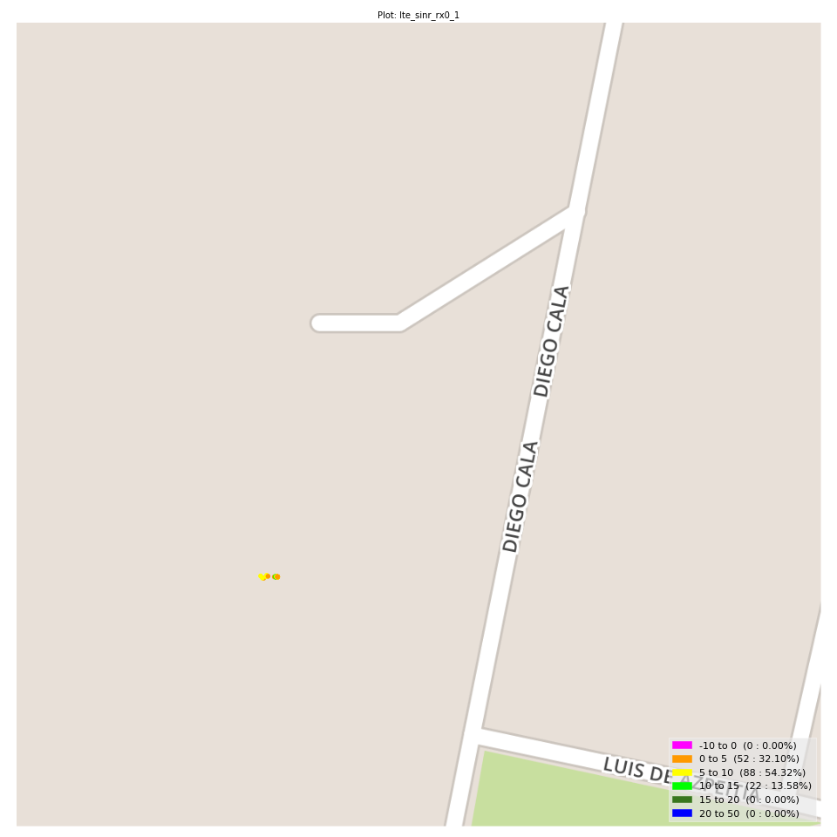
lte_sinr_rx0_1 Report

Sampling Distribution Histogram
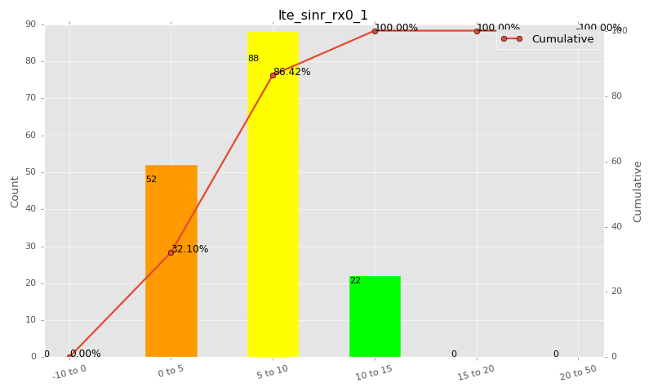

Sampling Distribution Table (first 10 ranges)
ColorXml | Lower | Upper | N Samples | Range | % | Cumulative %
 | -10 | 0 | 0 | -10 to 0 | 0.00 | 0.00
 | 0 | 5 | 52 | 0 to 5 | 32.10 | 32.10
 | 5 | 10 | 88 | 5 to 10 | 54.32 | 86.42
 | 10 | 15 | 22 | 10 to 15 | 13.58 | 100.00
 | 15 | 20 | 0 | 15 to 20 | 0.00 | 100.00
 | 20 | 50 | 0 | 20 to 50 | 0.00 | 100.00

Basic statistics
N | 162
Mean | 6.44
SD | 2.82
MAX | 12.40
Median | 6.27
Min | 0.10

Geographical Plot

lte_sinr_rx1_1
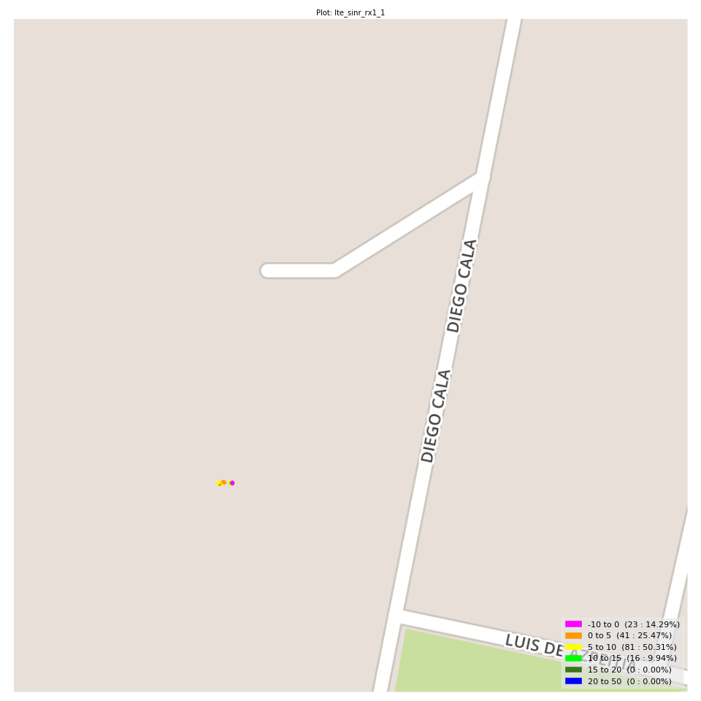
lte_sinr_rx1_1 Report

Sampling Distribution Histogram
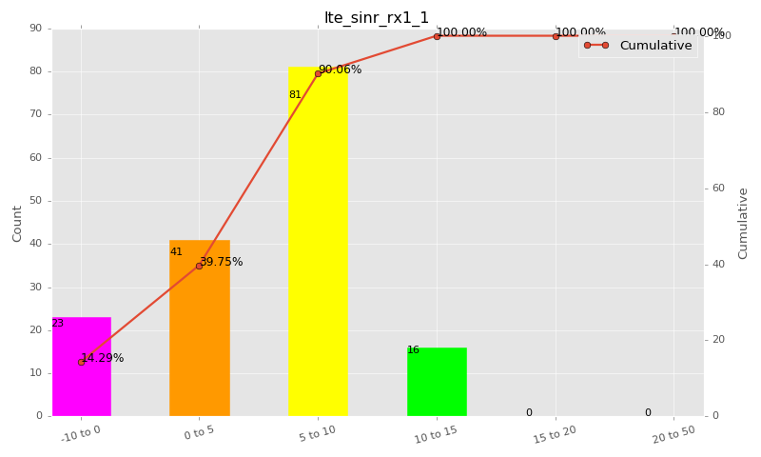

Sampling Distribution Table (first 10 ranges)
ColorXml | Lower | Upper | N Samples | Range | % | Cumulative %
 | -10 | 0 | 23 | -10 to 0 | 14.29 | 14.29
 | 0 | 5 | 41 | 0 to 5 | 25.47 | 39.75
 | 5 | 10 | 81 | 5 to 10 | 50.31 | 90.06
 | 10 | 15 | 16 | 10 to 15 | 9.94 | 100.00
 | 15 | 20 | 0 | 15 to 20 | 0.00 | 100.00
 | 20 | 50 | 0 | 20 to 50 | 0.00 | 100.00

Basic statistics
N | 161
Mean | 5.15
SD | 4.53
MAX | 12.71
Median | 6.07
Min | -6.30

Geographical Plot

lte_physical_cell_id_1
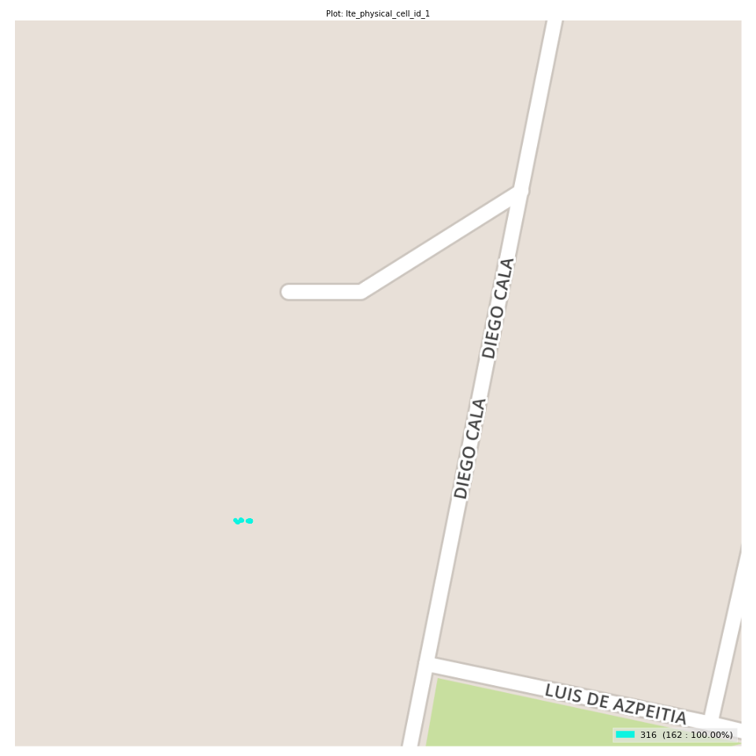
lte_physical_cell_id_1 Report

Sampling Distribution Histogram
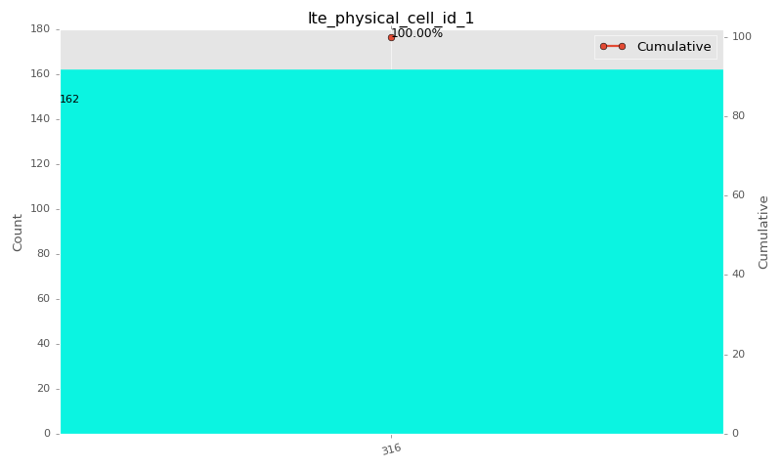

Sampling Distribution Table (first 10 ranges)
ColorXml | Lower | Upper | match_value | N Samples | Range | % | Cumulative %
 |  |  | 316 | 162 |  | 100.00 | 100.00

Basic statistics
N | 162
Mean | N/A (id-type column: lte_physical_cell_id_1)
SD | N/A (id-type column: lte_physical_cell_id_1)
MAX | N/A (id-type column: lte_physical_cell_id_1)
Median | N/A (id-type column: lte_physical_cell_id_1)
Min | N/A (id-type column: lte_physical_cell_id_1)

Geographical Plot

lte_earfcn_1
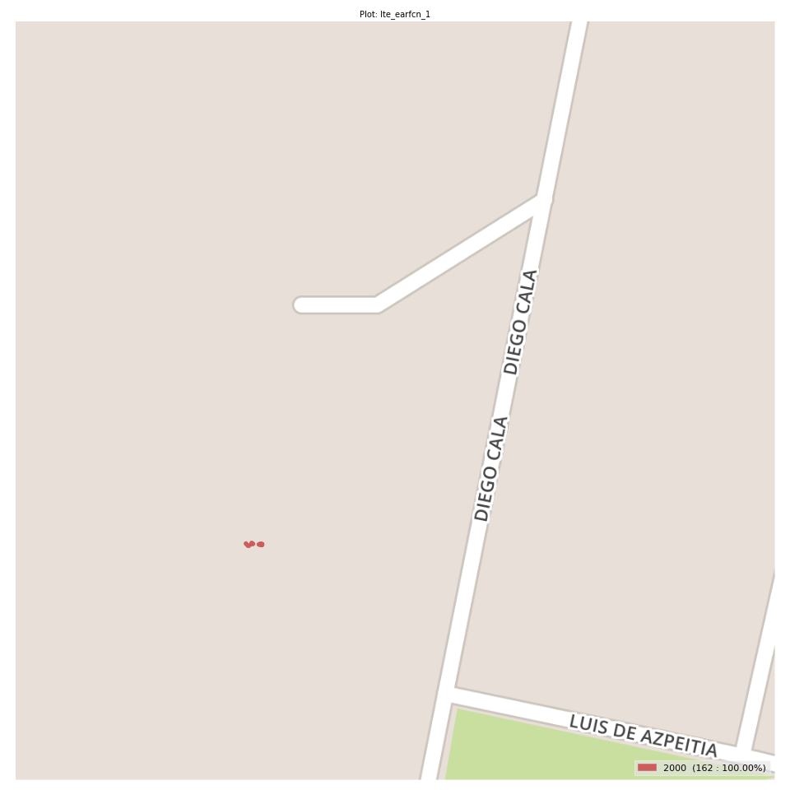
lte_earfcn_1 Report

Sampling Distribution Histogram
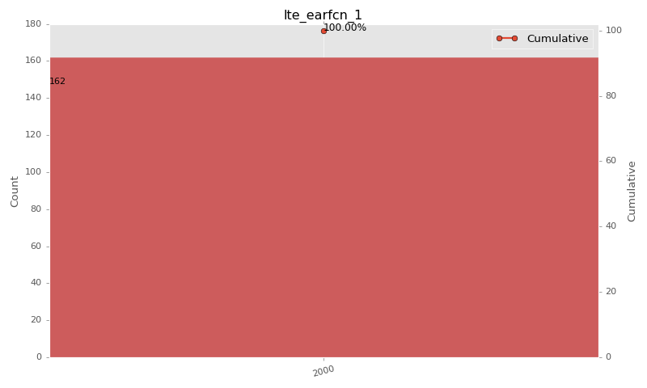

Sampling Distribution Table (first 10 ranges)
ColorXml | Lower | Upper | match_value | N Samples | Range | % | Cumulative %
 |  |  | 2000 | 162 |  | 100.00 | 100.00

Basic statistics
N | 162
Mean | N/A (id-type column: lte_earfcn_1)
SD | N/A (id-type column: lte_earfcn_1)
MAX | N/A (id-type column: lte_earfcn_1)
Median | N/A (id-type column: lte_earfcn_1)
Min | N/A (id-type column: lte_earfcn_1)

Geographical Plot

